Sheet1
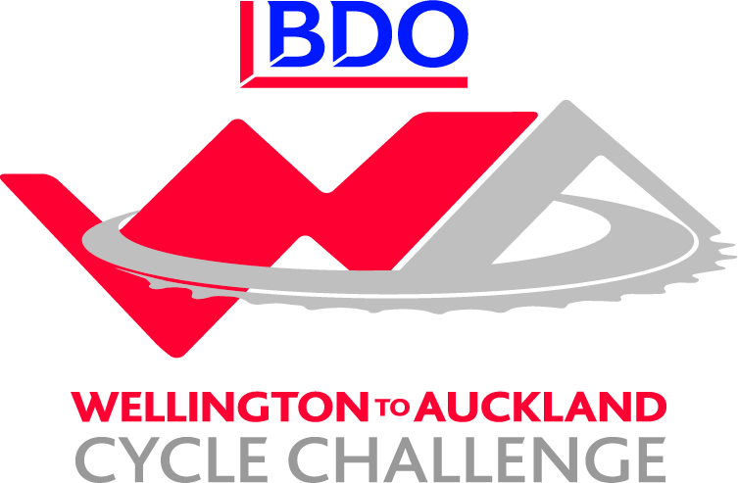

BDO Wellington to Auckland - Corporate Challenge Results / Leaderboard
Team | Stage 1 | Bonus | Stage 2 | Bounus | Stage 3 | Bonus | Stage 4 | Bonus | Stage 5 | Stage 6 | Stage 7 | Stage 8 | Total
NZ Navy | 12 | 7 | 11 | 9 | 10 | 8 | 9 | 9 |  |  |  |  | 75
GoBro | 13 | 6 | 12 | 6 | 13 | 6 | 13 | 6 |  |  |  |  | 75
2degrees | 15 | 3 | 14 | 3 | 15 | 3 | 14 | 3 |  |  |  |  | 70
True Oak - Kiwivelo | 14 | 3 | 15 | 3 | 14 | 3 | 15 | 3 |  |  |  |  | 70
Westpac Auckland | 11 | 5 | 13 | 5 | 12 | 5 | 12 | 5 |  |  |  |  | 68
BDO 1 | 8 | 8 | 8 | 8 | 8 | 8 | 8 | 8 |  |  |  |  | 64
Westpac Waikato | 10 | 5 | 9 | 5 | 9 | 5 | 10 | 5 |  |  |  |  | 58
Invacare | 6 | 8 | 6 | 8 | 6 | 8 | 7 | 8 |  |  |  |  | 57
Sport New Zealand | 7 | 9 | 7 | 9 | 7 | 5 | 6 | 6 |  |  |  |  | 56
BDO Northland | 9 | 3 | 10 | 3 | 11 | 3 | 11 | 4 |  |  |  |  | 54
TVNZ - VIP | 5 | 4 | 5 | 4 | 5 | 3 | 5 | 5 |  |  |  |  | 36
Xero | 3 | 4 | 3 | 4 | 4 | 4 | 4 | 4 |  |  |  |  | 30
BDO 2 | 4 | 2 | 4 | 3 | 3 | 3 | 3 | 4 |  |  |  |  | 26

