Sheet1
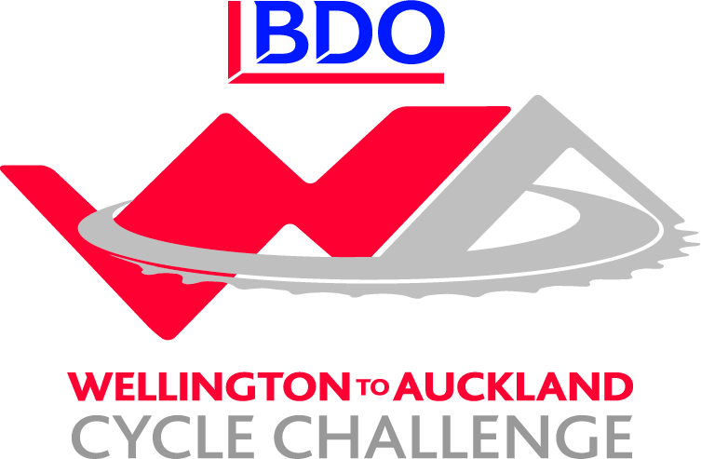

BDO Wellington to Auckland - Corporate Challenge Results / Leaderboard
Team | Stage 1 | Bonus | Stage 2 | Bounus | Stage 3 | Bonus | Stage 4 | Bonus | Stage 5 | Bonus | Stage 6 | Stage 7 | Stage 8 | Total
BDO 1 | 8 | 8 | 8 | 8 | 8 | 8 | 8 | 8 | 22 | 16 |  |  |  | 102
GoBro | 13 | 6 | 12 | 6 | 13 | 6 | 13 | 6 | 14 | 6 |  |  |  | 95
NZ Navy | 12 | 7 | 11 | 9 | 10 | 8 | 9 | 9 | 8 | 9 |  |  |  | 92
2degrees | 15 | 3 | 14 | 3 | 15 | 3 | 14 | 3 | 15 | 3 |  |  |  | 88
True Oak - Kiwivelo | 14 | 3 | 15 | 3 | 14 | 3 | 15 | 3 | 13 | 3 |  |  |  | 86
Westpac Auckland | 11 | 5 | 13 | 5 | 12 | 5 | 12 | 5 | 12 | 5 |  |  |  | 85
Westpac Waikato | 10 | 5 | 9 | 5 | 9 | 5 | 10 | 5 | 9 | 5 |  |  |  | 72
Sport New Zealand | 7 | 10 | 7 | 10 | 7 | 6 | 7 | 7 | 5 | 6 |  |  |  | 72
Invacare | 6 | 8 | 6 | 8 | 6 | 8 | 7 | 8 | 6 | 8 |  |  |  | 71
BDO Northland | 9 | 3 | 10 | 3 | 11 | 3 | 11 | 4 | 10 | 4 |  |  |  | 68
TVNZ Cyclones | 5 | 4 | 5 | 4 | 5 | 3 | 5 | 5 | 8 | 12 |  |  |  | 56
Xero | 3 | 4 | 3 | 4 | 4 | 4 | 4 | 4 | 3 | 4 |  |  |  | 37
BDO 2 | 4 | 2 | 4 | 3 | 3 | 3 | 3 | 4 | 7 | 2 |  |  |  | 35

