Sheet1
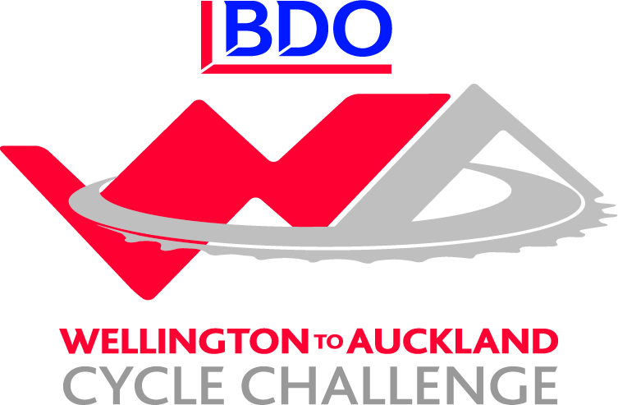

BDO Wellington to Auckland - Corporate Challenge Results / Leaderboard
Team | Stage 1 | Bonus | Stage 2 | Bounus | Stage 3 | Bonus | Stage 4 | Bonus | Stage 5 | Bonus | Stage 6 | Bonus | Stage 7 | Bonus | Stage10 | Bonus | Total
GoBro | 13 | 6 | 12 | 6 | 13 | 6 | 13 | 6 | 14 | 6 | 28 | 12 | 13 | 6 | 14 | 6 | 174
NZ Navy | 12 | 7 | 11 | 9 | 10 | 8 | 9 | 9 | 8 | 9 | 11 | 8 | 11 | 8 | 22 | 18 | 170
2degrees | 15 | 3 | 14 | 3 | 15 | 3 | 14 | 3 | 15 | 3 | 30 | 6 | 14 | 3 | 15 | 3 | 159
Westpac Auckland | 11 | 5 | 13 | 5 | 12 | 5 | 12 | 5 | 12 | 5 | 13 | 5 | 12 | 5 | 26 | 10 | 156
BDO 1 | 8 | 8 | 8 | 8 | 8 | 8 | 8 | 8 | 22 | 16 | 9 | 8 | 9 | 8 | 9 | 9 | 154
True Oak - Kiwivelo | 14 | 3 | 15 | 3 | 14 | 3 | 15 | 3 | 13 | 3 | 12 | 3 | 30 | 6 | 12 | 3 | 152
Sport New Zealand | 7 | 10 | 7 | 10 | 7 | 6 | 7 | 7 | 5 | 6 | 5 | 6 | 7 | 6 | 5 | 16 | 117
Westpac Waikato | 10 | 5 | 9 | 5 | 9 | 5 | 10 | 5 | 9 | 5 | 10 | 5 | 10 | 5 | 8 | 4 | 114
Invacare | 6 | 8 | 6 | 8 | 6 | 8 | 7 | 8 | 6 | 8 | 7 | 8 | 5 | 8 | 6 | 8 | 113
BDO Northland | 9 | 3 | 10 | 3 | 11 | 3 | 11 | 4 | 10 | 4 | 8 | 4 | 8 | 4 | 10 | 4 | 106
TVNZ Cyclones | 5 | 4 | 5 | 4 | 5 | 3 | 5 | 5 | 8 | 12 | 6 | 5 | 6 | 5 | 4 | 4 | 86
Xero | 3 | 4 | 3 | 4 | 4 | 4 | 4 | 4 | 3 | 4 | 3 | 4 | 4 | 4 | 3 | 8 | 63
BDO 2 | 4 | 2 | 4 | 3 | 3 | 3 | 3 | 4 | 7 | 2 | 4 | 3 | 3 | 3 | 7 | 1 | 56

